API testing
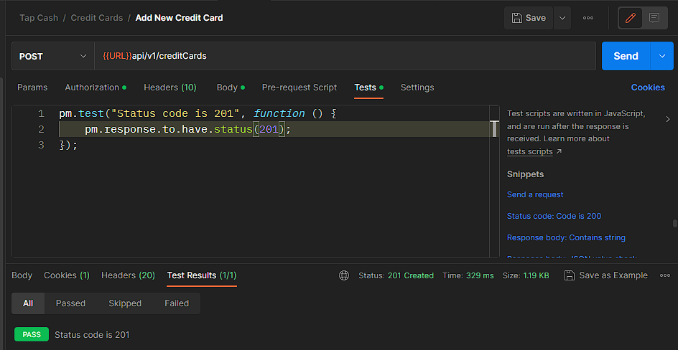
- API testing
- Authentication function
- Environment : (windows - postman tool)
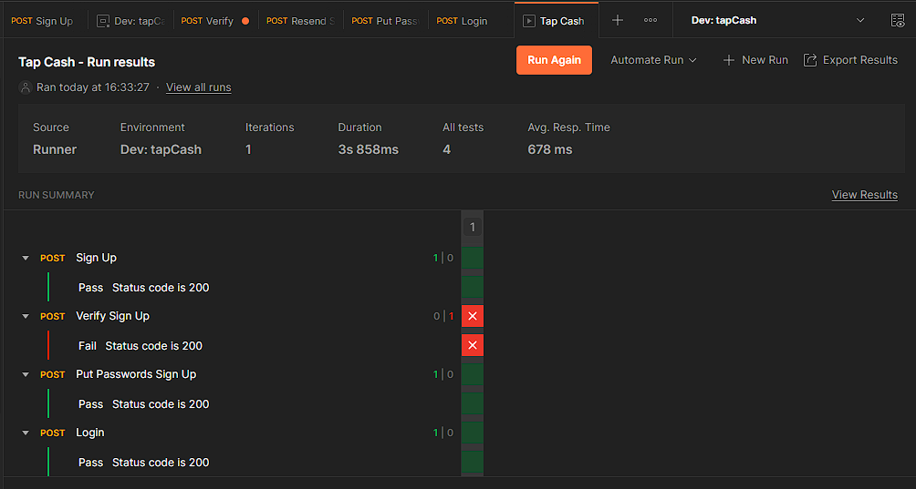

- API testing
- Get registed user
- Environment : (windows - postman tool)

- API testing
- Wallet function
- Environment : (windows - postman tool)

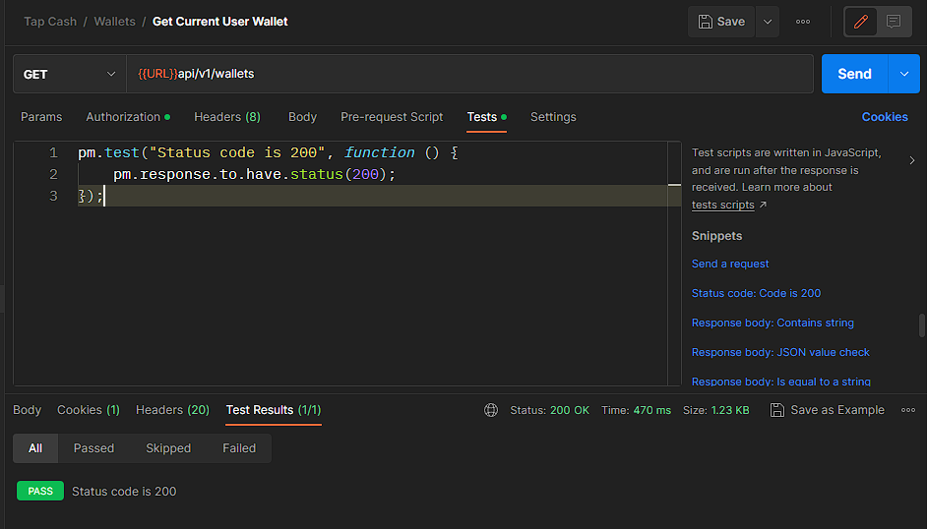

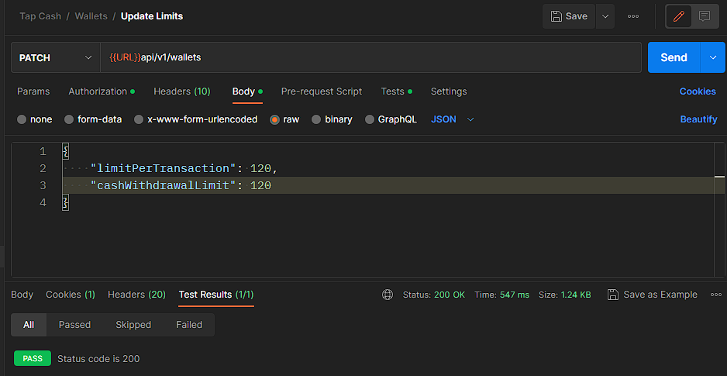

- API testing
- Smart card function
- Environment : (windows - postman tool)

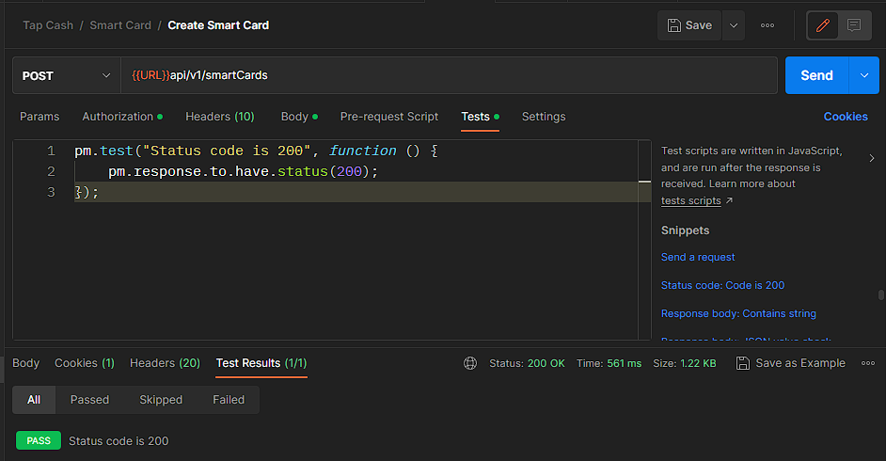

- API testing
- Add credit card function
- Environment : (windows - postman tool)

Bug report
- only sign up execution delivered from developers |  | Bug report
- network : wifi / mobile data
- Environment : (windows - chrome browser - Android)
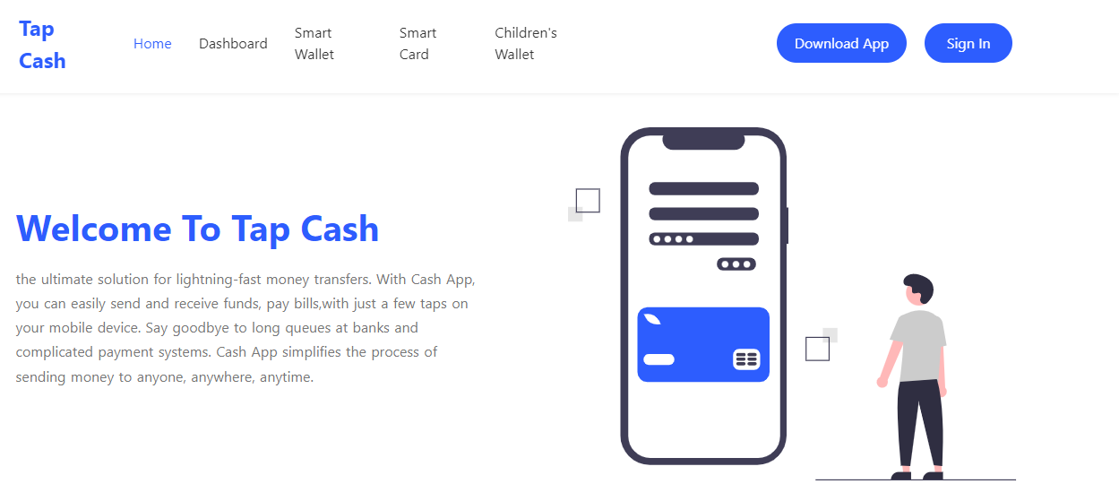
ID | Title | Steps | Expected result | Actual result | periority | screen shoot
Tap_ts1tc1 | - verify sign up button on web app. on home page | 1- open website url page 2- search for sign up button on home page to click on | - website opened - find sign up button to redirect to sign up page | - website opened - cant find sign up button on home page | medium

ID | Title | Steps | Expected result | Actual result | periority | screen shoot
Tap_ts1tc4.2 | - verify create password function with invalid conditions of password (web app.) | 1-open website page 2-click on sign up button 3-write your valid mobile number 4-click on continue button 5-wait for pin msg sent to ur number 6-enter sent code in code field 7-click on verify button 8-enter invalid password 9-enter invalid confirm password 10-select remember me option 11-click on continue button | - website opened - redirect to sign up page - mobile number is entered - redirect to verification page - pin msg sent - filled in with pin code - redirect to next page - invalid password is entered - confirm password is written - remember me option is selected - wrong msg with enter your valid password" | - website opened - redirect to sign up page - mobile number is entered - redirect to verification page - pin msg sent - filled in with pin code - redirect to next page - invalid password is entered - confirm password is written - remember me option is selected - Sign up successful! | 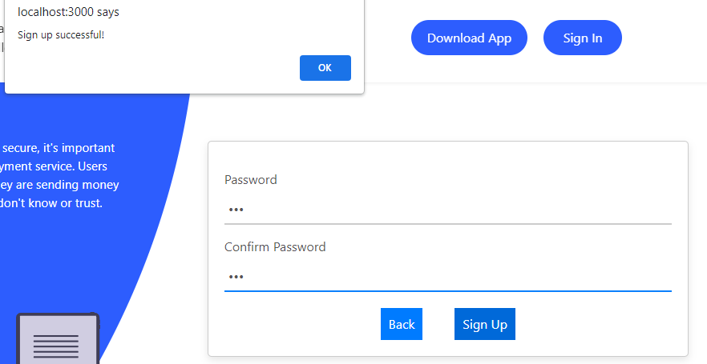 high

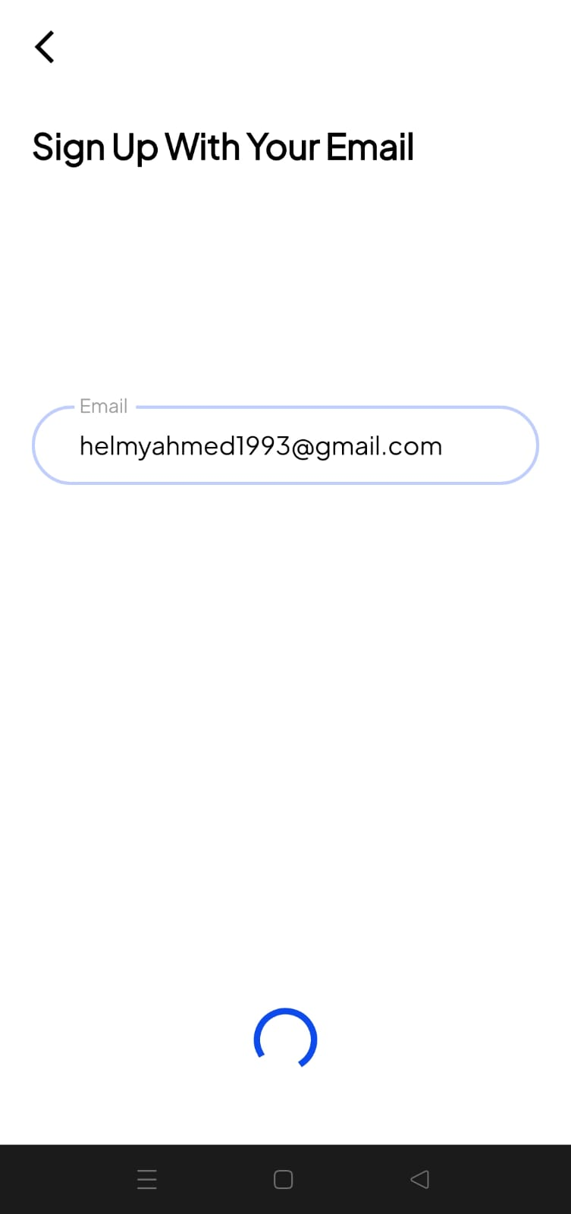
ID | Title | Steps | Expected result | Actual result | periority | screen shoot
Tap_ts1tc2 | - verify contiue button with valid mail on mobile app | 1-open mobile app. 2-click on sign up button 3-write your valid mail 3-click on continue button | - mobile app. opened - redirect to sign up page - mail is entered - redirect to verification page | - mobile app. opened - redirect to sign up page - mail is entered - loading without redirect to next page | high

